Sayfa1
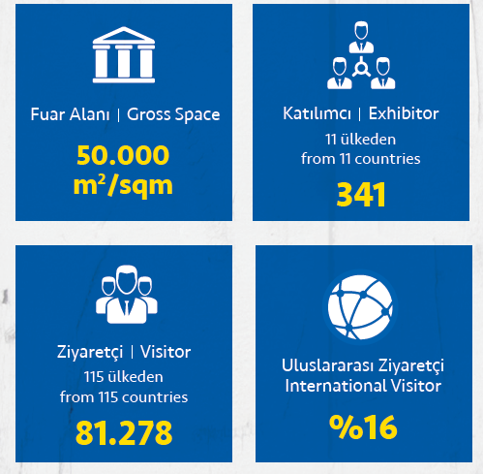
 |  |  |  | 2018 ilk 10 Uluslararası Ziyaretçi Ülke
 |  |  |  | 1 | Bulgaristan
 |  |  |  | 2 | İran
 |  |  |  | 3 | Irak
 |  |  |  | 4 | Makedonya
 |  |  |  | 5 | Libya
 |  |  |  | 6 | Suudi Arabistan
 |  |  |  | 7 | Cezayir
 |  |  |  | 8 | Almanya
 |  |  |  | 9 | Sırbistan
 |  |  |  | 10 | Kosova

2018 Ziyaretçi Ülkeler (Alfabetik)
1 | AFGHANISTAN | 31 | EYGPT | 61 | MALAWI | 91 | SOUTH AFRICA
2 | ALBANIA | 32 | FALKLAND ISLANDS | 62 | MALAYSIA | 92 | SPAIN
3 | ALGERIA | 33 | FRANCE | 63 | MALI | 93 | SUDAN
4 | ANDORRA | 34 | GAMBIA | 64 | MALTA | 94 | SURINAME
5 | ARGENTINA | 35 | GEORGIA | 65 | MAURITIUS | 95 | SWEDEN
6 | ARMENIA | 36 | GERMANY | 66 | MOLDOVA | 96 | SWITZERLAND
7 | AUSTRALIA | 37 | GREECE | 67 | MONACO | 97 | SYRIA
8 | AUSTRIA | 38 | GUINEA | 68 | MOROCCO | 98 | TAIWAN
9 | AZERBAIJAN | 39 | GUINEA-BISSAU | 69 | MOZAMBIQUE | 99 | TAJIKISTAN
10 | BAHRAIN | 40 | HUNGARY | 70 | NETHERLANDS | 100 | TUNISIA
11 | BANGLADESH | 41 | ICELAND | 71 | NIGER | 101 | TURKEY
12 | BELARUS | 42 | INDIA | 72 | NIGERIA | 102 | TURKMENISTAN
13 | BELGIUM | 43 | INDONESIA | 73 | NORWAY | 103 | TUVALU
14 | BOLIVIA | 44 | IRAN | 74 | OMAN | 104 | UAE
15 | BOSNIA AND HERZEGOVINA | 45 | IRAQ | 75 | PAKISTAN | 105 | UGANDA
16 | BRAZIL | 46 | ISRAEL | 76 | PALESTINE | 106 | UKRAINE
17 | BULGARIA | 47 | ITALY | 77 | PARAGUAY | 107 | UNITED KINGDOM
18 | BURKINA FASO | 48 | JAPAN | 78 | POLAND | 108 | URUGUAY
19 | CAMEROON | 49 | JORDAN | 79 | PORTUGAL | 109 | USA
20 | CANADA | 50 | KAZAKHSTAN | 80 | QATAR | 110 | UZBEKISTAN
21 | CHILE | 51 | KKTC | 81 | ROMANIA | 111 | VENEZUELA
22 | CHINA | 52 | KOSOVO | 82 | RUSSIA | 112 | VIETNAM
23 | CONGO | 53 | KUWAIT | 83 | RWANDA | 113 | YEMEN
24 | CYPRUS | 54 | KYRGYZSTAN | 84 | SAUDI ARABIA | 114 | ZAMBIA
25 | DENMARK | 55 | LAOS | 85 | SENEGAL | 115 | ZIMBABWE
26 | DJIBOUTI | 56 | LEBANON | 86 | SERBIA AND MONTENEGRO
27 | DOMINICA | 57 | LIBERIA | 87 | SINGAPORE
28 | EGYPT | 58 | LIBYA | 88 | SLOVAKIA
29 | ESTONIA | 59 | LIECHTENSTEIN | 89 | SLOVENIA
30 | ETHIOPIA | 60 | MACEDONIA | 90 | SOMALIA

